FLUIDS
Distilled Water | 5 | 0 | 90 | 150 | -30
Nalco / Water | 5 | 0 | 90 | 150 | -30
DI Water | 5 | 0 | 90 | 150 | -30
50:50 EGW | 0 | -37 | 90 | 150 | -30
50:50 PGW | 0 | -20 | 90 | 150 | -30
SIL100 Silicone Oil | 0 | -75 | 75 | 150 | -30
SIL180 Silicone Oil | 0 | -40 | 200 | 150 | -30
SIL200 Silicone Oil | 30 | 0 | 120 | 150 | -30
SIL300 Silicone Oil | 85 | 0 | 215 | 150 | -30
Synth 60 | 0 | -50 | 35 | 150 | -30
Synth 200 | 20 | 0 | 190 | 150 | -30
Synth 260 | 40 | 0 | 210 | 150 | -30
3M™ Novec™ HFE 7200 | 0 | -110 | 60 | 150 | -30
FOG 150 | 20 | 0 | 130 | 150 | -30
Ethanol | 0 | -90 | 0 | 150 | -30

Input Highest Temperature Required (°C):
150

Input Lowest Temperature Required (°C):

-30

Distilled Water
Physical Characteristics
 | Metric | SAE
Temperature Range: | 5 °C to 95 °C | 41 °F to 203 °F
Freeze point: | 0 °C | 32 °F
Boiling point: | 100 °C (sea level) | 212 °F (sea level)
Flashpoint: | none | none
Viscosity: | 1 cSt @ 20 °C | 1 cSt @ 68 °F
Thermal Conductivity: | 0.58 w/(m. °K) | 0.34 Btu/(ft.hr. °F)
Density: | 1 g/cm3 | 62.4 lbs/ft3
i
Specific Gravity: | 1 | 1 | Corrosion Risk:
i
Specific Heat: | 1 Cal/g °C | 1 Btu/lb °F |  | Pitting Corrosion | LOW
i
 |  |  |  | Galvanic Corrosion | HIGH WITH MIXED METALS
Attributes |  |  |  | General Corrosion | HIGH
Advantages:
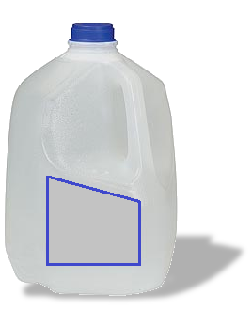
STEAM DISTILLED
Low cost and readily available
Great capacity to carry heat
Low viscosity
Compatible with many materials
sterile
Disadvantages:
Can support bio-growth
Evaporates readily at top of temperature range
Corrosive to ferrous metals
pH needs to be maintained between 6.5 and 8.5

i
i
i
Compatible Temperature Control Units (English):
General Purpose Water Baths
Refrigerated and Heated Bath Circulators
i
VersaCool
i
ThermoChill Recirculating Chillers
i
ThermoFlex Recirculating Chillers
Merlin Low Temperature Recirculating Chillers

i
BACK TO FLUIDS
DISTILLED WATER
i
i
Compatible Temperature Control Units (Select your language):
General Purpose Water Baths and VersaCool
Refrigerated and Heated Bath Circulators
ThermoFlex Recirculating Chillers

NALCO & Water
Physical Characteristics
 | Metric | SAE
Temperature Range: | 5 °C to 95 °C | 41 °F to 203 °F
Freeze point: | 0 °C | 32 °F
Boiling point: | 100 °C (sea level) | 212 °F (sea level)
Flashpoint: | none | none
Viscosity: | 1 cSt @ 20 °C | 1 cSt @ 68 °F
Thermal Conductivity: | 0.58 w/(m. °K) | 0.34 Btu/(ft.hr. °F)
Density: | 1 g/cm3 | 62.4 lbs/ft3
i
Specific Gravity: | 1 | 1 | Corrosion Risk:
i
Specific Heat: | 1 Cal/g °C | 1 Btu/lb °F |  | Pitting Corrosion | LOW
i
 |  |  |  | Galvanic Corrosion | LOW
Attributes |  |  |  | General Corrosion | LOW
Advantages:
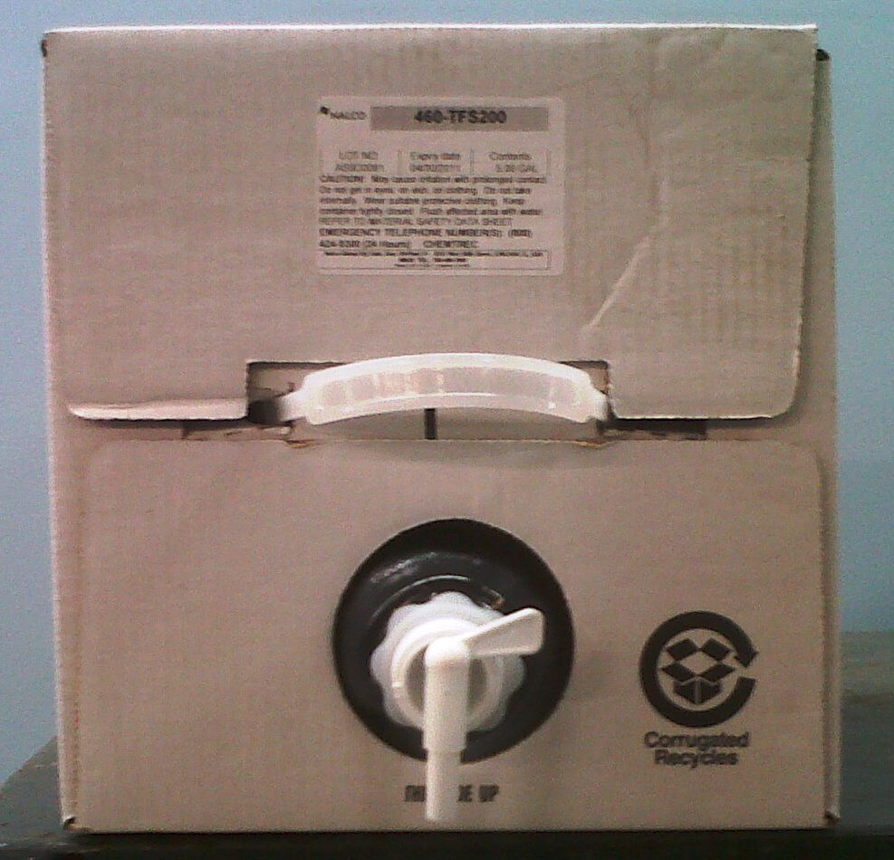
Great capacity to carry heat
Low viscosity
Compatible with many materials
Inhibitor protects against corrosion
Biocide prevents bio-growth
Proven affective with a wide range of wetted material compatibility
sterile
Disadvantages:
More expensive than distilled water
Evaporates readily at top of temperature range

i
i
i
Compatible Temperature Control Units (English):
General Purpose Water Baths
Refrigerated and Heated Bath Circulators
i
VersaCool
i
ThermoChill Recirculating Chillers
i
ThermoFlex Recirculating Chillers
Merlin Low Temperature Recirculating Chillers

i
BACK TO FLUIDS
NALCO & WATER
i
i
Compatible Temperature Control Units (Select your language):
General Purpose Water Baths and VersaCool
Refrigerated and Heated Bath Circulators
ThermoFlex Recirculating Chillers

Deionized Water
Physical Characteristics
 | Metric | SAE
Temperature Range: | 5 °C to 95 °C | 41 °F to 203 °F
Freeze point: | 0 °C | 32 °F
Boiling point: | 100 °C (sea level) | 212 °F (sea level)
Flashpoint: | none | none
Viscosity: | 1 cSt @ 20 °C | 1 cSt @ 68 °F
Thermal Conductivity: | 0.58 w/(m. °K) | 0.34 Btu/(ft.hr. °F)
Density: | 1 g/cm3 | 62.4 lbs/ft3
i
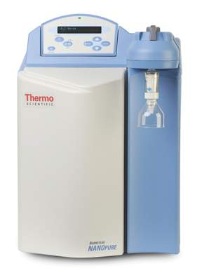
Specific Gravity: | 1 | 1 | Corrosion Risk:
i
Specific Heat: | 1 Cal/g °C | 1 Btu/lb °F |  | Pitting Corrosion | HIGH
i
 |  |  |  | Galvanic Corrosion | MODERATE
Attributes |  |  |  | General Corrosion | HIGH
Advantages:
Low cost and readily available
Great capacity to carry heat
Low viscosity
Compatible with many materials
Disadvantages:
DI process does not sterilize the water
Can support bio-growth
Evaporates readily at top of temperature range
Corrosive to ferrous metals
pH needs to be maintained between 6.5 and 8.5

i
i
i
Compatible Temperature Control Units (English):
General Purpose Water Baths
Refrigerated and Heated Bath Circulators
i
VersaCool
i
ThermoChill Recirculating Chillers
i
ThermoFlex Recirculating Chillers
Merlin Low Temperature Recirculating Chillers

i
BACK TO FLUIDS
DEIONIZED WATER
i
i
Compatible Temperature Control Units (Select your language):
General Purpose Water Baths and VersaCool
Refrigerated and Heated Bath Circulators
ThermoFlex Recirculating Chillers

50-50 EGW
Physical Characteristics
 | Metric | SAE
Temperature Range: | -30 °C to 90 °C | 41 °F to 203 °F
Freeze point: | -37 °C | 32 °F
Boiling point: | 107.2 °C (sea level) | 212 °F (sea level)
Flashpoint: | none* | none*
i
Viscosity: | 3.8 cP @ 20 °C | 3.8 cP @ 68 °F | Corrosion Risk:
i
Thermal Conductivity: | 0.4 w/(m. °K) | 0.23 Btu/(ft. °F) |  | Pitting Corrosion | HIGH
i
Density: | • 1.08 g/cm3 @ 20 °C | 67.42 lbs/ft3 @ 68 °F |  | Galvanic Corrosion | MODERATE
Specific Gravity: | 1.08 | 1.08 |  | General Corrosion | HIGH
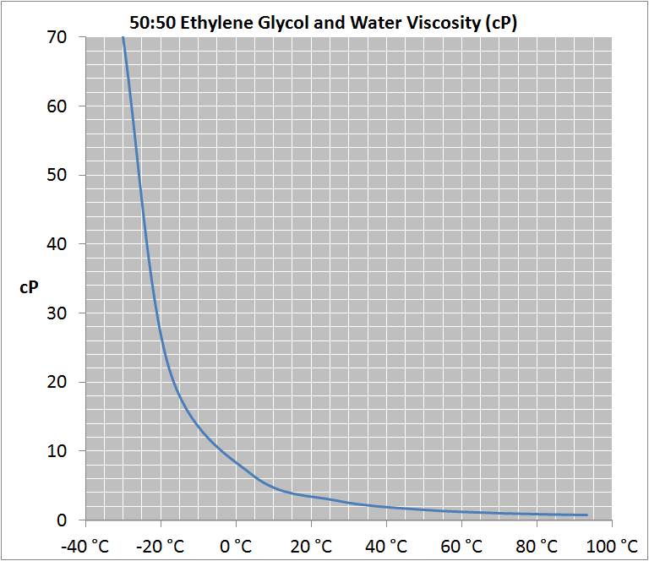
Specific Heat: | 0.825 Cal/g °C | 0.825 Btu/lb °F
*if all the water is boiled away, EG is flammable!
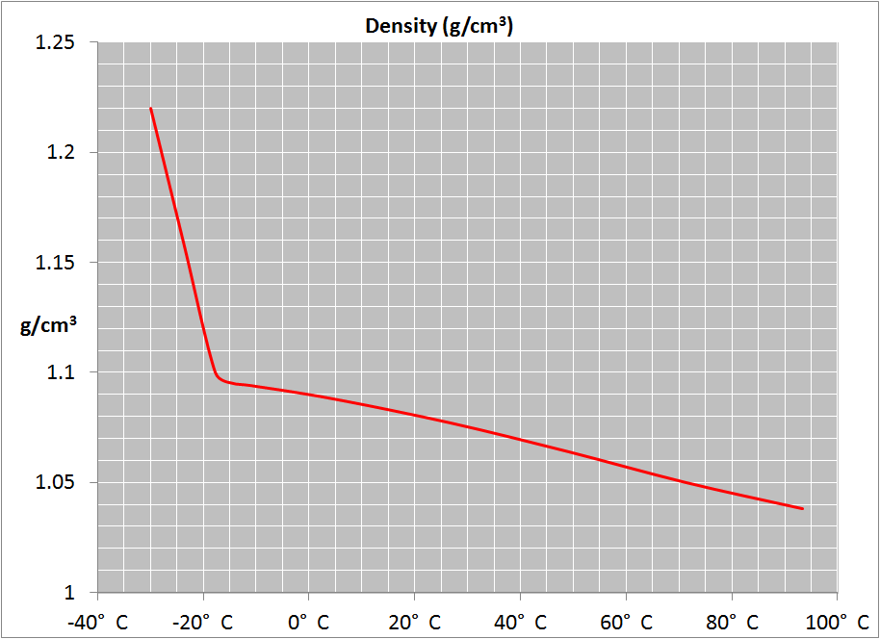
Attributes
Advantages:
Wider temperature range than water alone
Low cost and readily available
Great capacity to carry heat
Low viscosity**
Compatible with many materials
sterile if mixed with distilled water or pre-mixed Nalco
Disadvantages:
Can support bio-growth
Evaporates readily at top of temperature range
Corrosive to ferrous metals
pH needs to be maintained between 6.5 and 8.5
** Viscosity changes with temperature. Find and use the correct value for your working temperature.
i
Compatible Temperature Control Units (English):
i
Refrigerated and Heated Bath Circulators
i
VersaCool
i
ThermoChill Recirculating Chillers
i
ThermoFlex Recirculating Chillers
Merlin Low Temperature Recirculating Chillers

i
BACK TO FLUIDS
i
i
Compatible Temperature Control Units (Select your language):
VersaCool
Refrigerated and Heated Bath Circulators
50:50 ETHYLENE GLYCOL & WATER
ThermoFlex Recirculating Chillers

50-50 PGW
Physical Characteristics
 | Metric | SAE
Temperature Range: | -20 °C to 90 °C | -4 ° F to 203 °F
Freeze point: | -34 °C | -29 °F
Boiling point: | 105.6 °C (sea level) | 222 °F (sea level)
Flashpoint: | none* | none*
i
Viscosity: | 9.9 cP @ 20 °C | 9.9 cP @ 68 °F | Corrosion Risk:
i
Thermal Conductivity: | 0.4 w/(m. °K) | 0.23 Btu/(ft. °F) |  | Pitting Corrosion | HIGH
i
Density: | • 1.03 g/cm3 @ 20 °C | 64.3 lbs/ft3 @ 68 °F |  | Galvanic Corrosion | MODERATE
Specific Gravity: | 1.03 | 1.03 |  | General Corrosion | HIGH
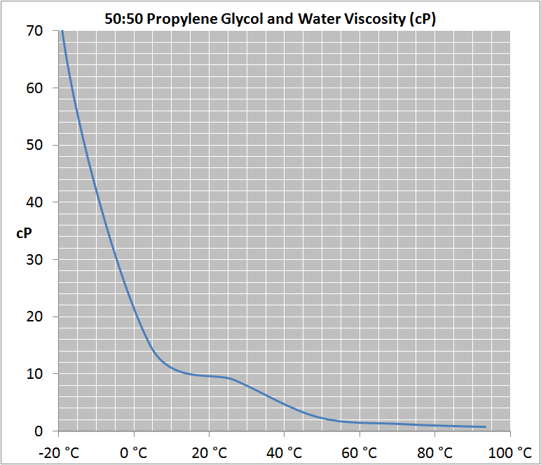
Specific Heat: | 0.92 Cal/g °C | 0.92 Btu/lb °F
*if all the water is boiled away, EG is flammable!
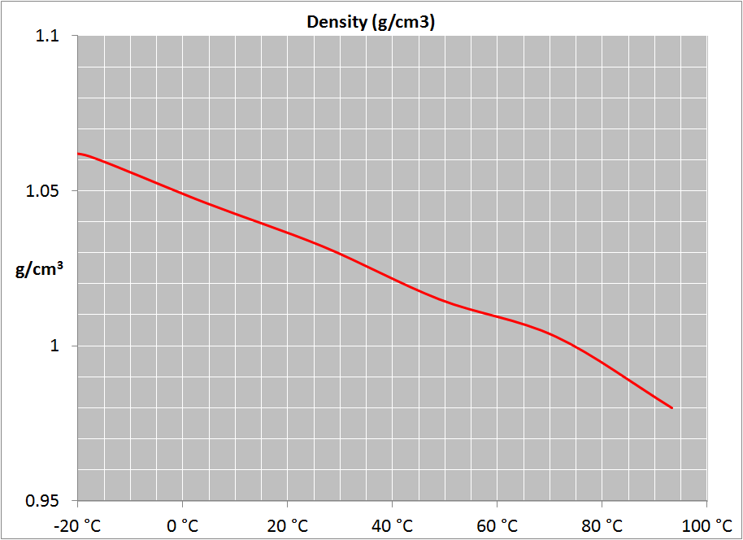
Attributes
Advantages:
Wider temperature range than water alone
Low cost and readily available
Great capacity to carry heat
Low viscosity**
Compatible with many materials
sterile if mixed with distilled water or pre-mixed Nalco
Disadvantages:
Can support bio-growth
Evaporates readily at top of temperature range
Corrosive to ferrous metals
pH needs to be maintained between 6.5 and 8.5
** Viscosity changes with temperature. Find and use the correct value for your working temperature.
i
Compatible Temperature Control Units (English):
i
Refrigerated and Heated Bath Circulators
i
VersaCool
i
ThermoChill Recirculating Chillers
i
ThermoFlex Recirculating Chillers
Merlin Low Temperature Recirculating Chillers

i
BACK TO FLUIDS
i
i
Compatible Temperature Control Units (Select your language):
VersaCool
Refrigerated and Heated Bath Circulators
50:50 PROPYLENE GLYCOL & WATER
ThermoFlex Recirculating Chillers

SIL100
Physical Characteristics
 | Metric | SAE
Heating Up Range: | N/A | N/A
Temperature Range1: | -75 °C to 75 °C | -103 °F to 167 °F
Boiling point: | N/A | N/A
Fire point | >100 °C | >212 °F
i
Viscosity1: | 3.37 cSt @ 20 °C | 3.37 cSt @ 68 °F | Corrosion Risk:
i
Thermal Conductivity: | 0.1 w/(m. °K) | 0.06 Btu/(ft. °F) |  | Pitting Corrosion | LOW
i
Density: | • 0.89 g/cm3 @ 20 °C | 55.6 lbs/ft3 @ 68 °F |  | Galvanic Corrosion | LOW
Specific Gravity: | 0.89 | 0.89 |  | General Corrosion | LOW
Specific Heat: | 0.4 Cal/g °C | 0.4 Btu/lb °F
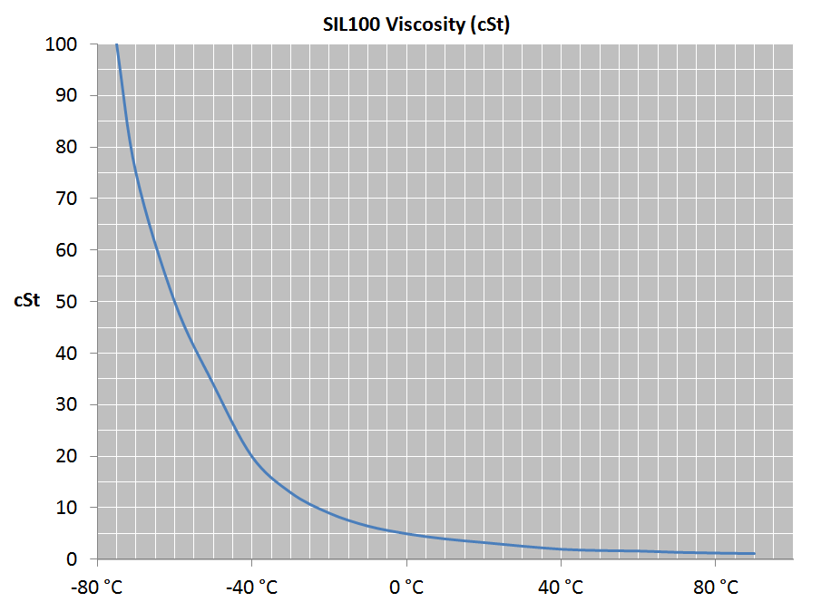
1Flow rate and cooling capacity are severely reduced at low temperature/high viscosities. Use the correct value for the viscosity at your working temperature.
Attributes
Advantages:
Wide temperature range
Low rate of evaporation
No potential for bio-growth
Non-corrosive
Compatible with many materials
Low viscosity**
Disadvantages:
Expensive
Messy - fumes can create oil film on external surfaces
Not compatible with silicone hose or ABS plastic
Immicerable in water

i
Compatible Temperature Control Units (English):
Refrigerated and Heated Bath Circulators

i
Compatible Temperature Control Units (Select your language):
Refrigerated and Heated Bath Circulators

BACK TO FLUIDS

SIL100 SILICONE OIL

SIL180
Physical Characteristics
 | Metric | SAE
Heating Up Range: | N/A | N/A
Temperature Range1: | -40 °C to 200 °C | -40 °F to 392 °F
Boiling point: | N/A
Fire point | >225 °C | >437 °F
i
Viscosity1: | 3.37 cSt @ 20 °C | 3.37 cSt @ 68 °F | Corrosion Risk:
i
Thermal Conductivity: | 0.1 w/(m. °K) | 0.06 Btu/(ft. °F) |  | Pitting Corrosion | LOW
i
Density: | • 0.93 g/cm3 @ 20 °C | 58.1 lbs/ft3 @ 68 °F |  | Galvanic Corrosion | LOW
Specific Gravity: | 0.93 | 0.93 |  | General Corrosion | LOW
Specific Heat: | 0.36Cal/g °C | 0.36 Btu/lb °F
1Flow rate and cooling capacity are severely reduced at low temperature/high viscosities. Use the correct value for the viscosity at your working temperature.
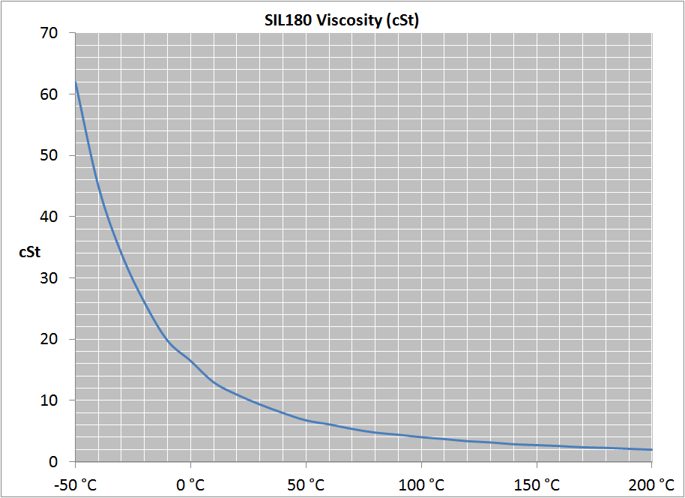
Attributes
Advantages:
Wide temperature range
Low rate of evaporation
No potential for bio-growth
Non-corrosive
Compatible with many materials
Disadvantages:
Expensive
Messy - fumes can create oil film on external surfaces
Not compatible with silicone hose or ABS plastic
Immicerable in water
Outgasses at high temperatures – should be used in a fume hood

i
i
Compatible Temperature Control Units (English):
Refrigerated and Heated Bath Circulators
VersaCool

i
i
Compatible Temperature Control Units (Select your language):
VersaCool
Refrigerated and Heated Bath Circulators
BACK TO FLUIDS

SIL180 SILICONE OIL

SIL200
Physical Characteristics
 | Metric | SAE
Heating Up Range: | 15 °C to 30 °C | 59 °F to 86 °F
Temperature Range1: | 30 °C to 150 °C | 86 °F to 302 °F
Boiling point: | N/A | N/A
Fire point | >250 °C | >482 °F
i
Viscosity1: | 50 cSt @ 20 °C | 50 cSt @ 68 °F | Corrosion Risk:
i
Thermal Conductivity: | 0.1 w/(m. °K) | 0.06 Btu/(ft. °F) |  | Pitting Corrosion | LOW
i
Density: | • 0.96 g/cm3 @ 20 °C | 58.9 lbs/ft3 @ 68 °F |  | Galvanic Corrosion | LOW
Specific Gravity: | 0.96 | 0.96 |  | General Corrosion | LOW
Specific Heat: | 0.35 Cal/g °C | 0.35 Btu/lb °F
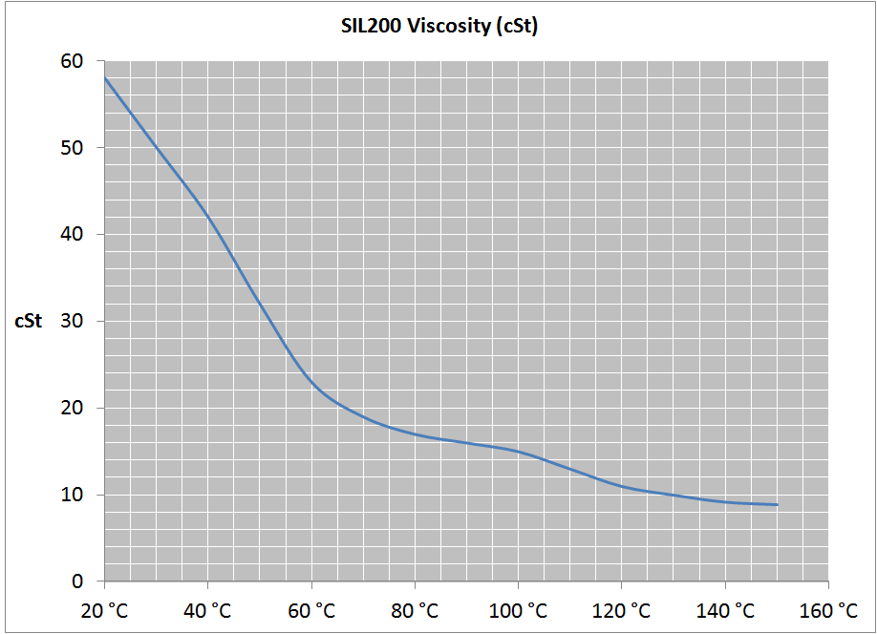
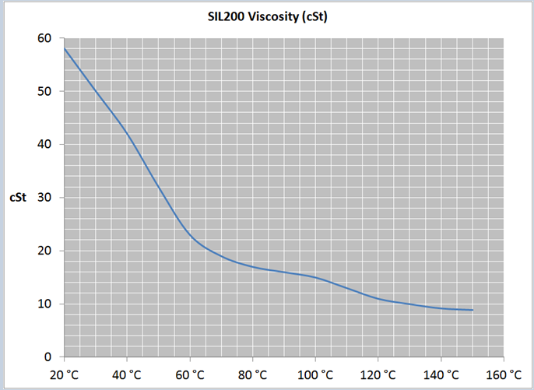
1Flow rate and cooling capacity are severely reduced at low temperature/high viscosities. Use the correct value for the viscosity at your working temperature.
Attributes
Advantages:
Wide temperature range
Low rate of evaporation
No potential for bio-growth
Non-corrosive
Compatible with many materials
Disadvantages:
Expensive
Messy - fumes can create oil film on external surfaces
Not compatible with silicone hose or ABS plastic
Immicerable in water

i
i
Compatible Temperature Control Units (English):
Refrigerated and Heated Bath Circulators
VersaCool

i
i
Compatible Temperature Control Units (Select your language):
VersaCool
Refrigerated and Heated Bath Circulators

BACK TO FLUIDS

SIL200 SILICONE OIL

SIL300
Physical Characteristics
 | Metric | SAE
Heating Up Range: | 15 °C to 85 °C | 59 °F to 185 °F
Temperature Range1: | 85 °C to 300 °C | 185 °F to 572 °F
Boiling point: | N/A | N/A
Fire point | >325 °C | >617 °F
i
Viscosity1: | 185 cSt @ 20 °C | 185 cSt @ 68 °F | Corrosion Risk:
i
Thermal Conductivity: | 0.1 w/(m. °K) | 0.06 Btu/(ft. °F) |  | Pitting Corrosion | LOW
i
Density: | • 1.08 g/cm3 @ 20 °C | 67.4 lbs/ft3 @ 68 °F |  | Galvanic Corrosion | LOW
Specific Gravity: | 1.08 | 1.08 |  | General Corrosion | LOW
Specific Heat: | 0.37Cal/g °C | 0.37 Btu/lb °F
1Flow rate and cooling capacity are severely reduced at low temperature/high viscosities. Use the correct value for the viscosity at your working temperature.
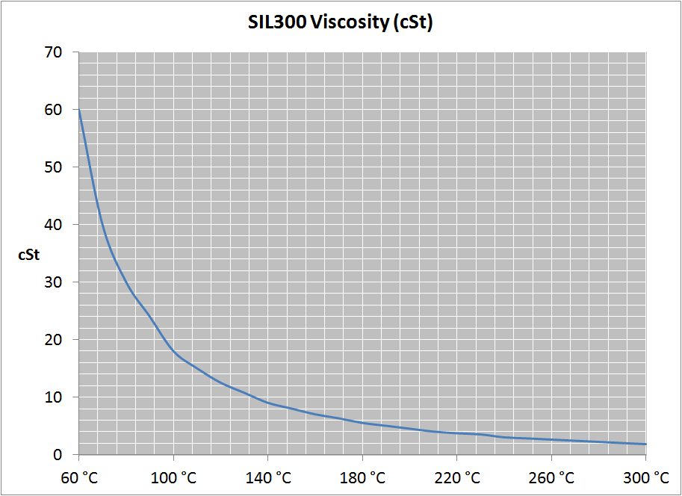
Attributes
Advantages:
Wide temperature range
Low rate of evaporation
No potential for bio-growth
Non-corrosive
Compatible with many materials
Disadvantages:
Expensive
Messy - fumes can create oil film on external surfaces
Not compatible with silicone hose or ABS plastic
Immicerable in water
Outgasses at high temperatures – should be used in a fume hood

i
Compatible Temperature Control Units (English):
Refrigerated and Heated Bath Circulators

i
Compatible Temperature Control Units (Select your language):
Refrigerated and Heated Bath Circulators

BACK TO FLUIDS

SIL300 SILICONE OIL

Synth 60
Physical Characteristics
 | Metric | SAE
Heating Up Range: | N/A | N/A
Temperature Range1: | -50 °C to 45 °C | -58 °F to 113 °F
Boiling point: | N/A | N/A
Fire point | 70 °C | 158 °F
i
Viscosity1: | 2.6 cSt @ 20 °C | 2.6 cSt @ 68 °F | Corrosion Risk:
i
Thermal Conductivity: | data not available | data not available |  | Pitting Corrosion | MODERATE
i
Density: | • 0.76 g/cm3 @ 20 °C | 47.4 lbs/ft3 @ 68 °F |  | Galvanic Corrosion | MODERATE
Specific Gravity: | 0.76 | 0.76 |  | General Corrosion | MODERATE
Specific Heat: | 0.5 Cal/g °C | 0.5 Btu/lb °F

1Flow rate and cooling capacity are severely reduced at low temperature/high viscosities. Use the correct value for the viscosity at your working temperature.
Attributes
Advantages:
Low temperature range
Low viscosity
No potential for bio-growth
Lower price than most silicone oils
Low odor compared to mineral oil
Disadvantages:
It can coke (carbon) up on high watt density heating elements
compatibility issues with some polymers

i
Compatible Temperature Control Units (English):
Refrigerated and Heated Bath Circulators

i
Compatible Temperature Control Units (Select your language):
Refrigerated and Heated Bath Circulators

BACK TO FLUIDS

SYNTH 60

Synth 200
Physical Characteristics
 | Metric | SAE
Heating Up Range: | N/A | N/A
Temperature Range1: | 20 °C to 210 °C | 68 °F to 410 °F
Boiling point: | N/A | N/A
Fire point | >235 °C | >455 °F
i
Viscosity1: | 116.3 cSt @ 20 °C | 116.3 cSt @ 68 °F | Corrosion Risk:
i
Thermal Conductivity: | data not available | data not available |  | Pitting Corrosion | MODERATE
i
Density: | • 0.86 g/cm3 @ 20 °C | 53.7 lbs/ft3 @ 68 °F |  | Galvanic Corrosion | MODERATE
Specific Gravity: | 0.86 | 0.86 |  | General Corrosion | MODERATE
Specific Heat: | 0.47 Cal/g °C | 0.47 Btu/lb °F
1Flow rate and cooling capacity are severely reduced at low temperature/high viscosities. Use the correct value for the viscosity at your working temperature.
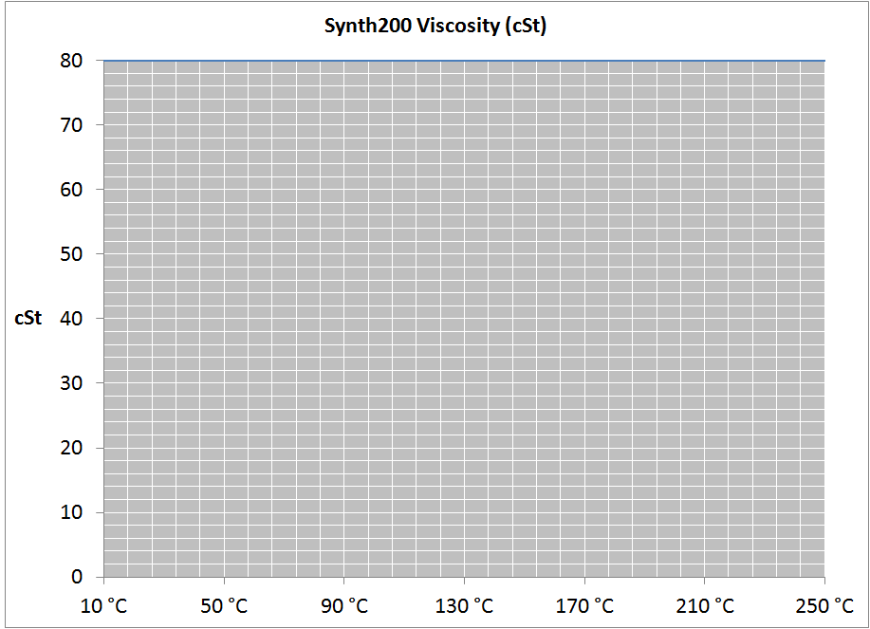
Attributes
Advantages:
High temperature range
Low viscosity
No potential for bio-growth
Lower price than most silicone oils
Disadvantages:
It can coke (carbon) up on high watt density heating elements
TBD
Compatibility issues with some polymers
Changes color faster than silicone oil and does not last as long
Strong odor at high temperatures - should be used in a fume hood

i
Compatible Temperature Control Units (English):
Refrigerated and Heated Bath Circulators

i
Compatible Temperature Control Units (Select your language):
Refrigerated and Heated Bath Circulators

BACK TO FLUIDS

SYNTH 200

Synth 260
Physical Characteristics
 | Metric | SAE
Heating Up Range: | 15 °C to 40 °C | 59 °F to 104 °F
Temperature Range1: | 40 °C to 250 °C | 104 °F to 482 °F
Boiling point: | N/A | N/A
Fire point | 275 °C | 527 °F
i
Viscosity1: | 135.9 cSt @ 20 °C | 135.9 cSt @ 68 °F | Corrosion Risk:
i
Thermal Conductivity: | data not available | data not available |  | Pitting Corrosion | MODERATE
i
Density: | 1.03 g/cm3 @ 20 °C | 64.3 lbs/ft3 @ 68 °F |  | Galvanic Corrosion | MODERATE
Specific Gravity: | 1.03 | 1.03 |  | General Corrosion | MODERATE
Specific Heat: | 0.48 Cal/g °C | 0.48 Btu/lb °F
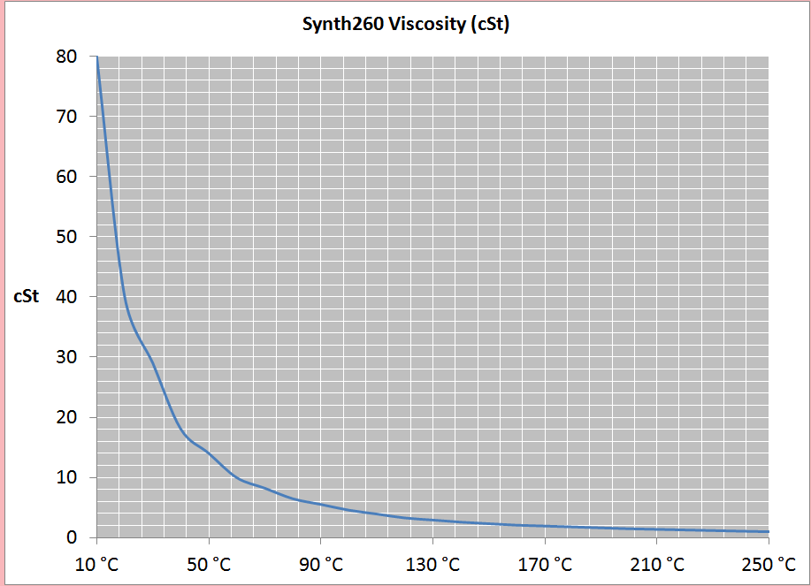
1Flow rate and cooling capacity are severely reduced at low temperature/high viscosities. Use the correct value for the viscosity at your working temperature.
Attributes
Advantages:
High temperature range
Low viscosity
No potential for bio-growth
Lower price than most silicone oils
Disadvantages:
It can coke (carbon) up on high watt density heating elements
Compatibility issues with some polymers
Changes color faster than silicone oil and does not last as long
Strong odor at high temperatures - should be used in a fume hood

i
Compatible Temperature Control Units (English):
Refrigerated and Heated Bath Circulators

i
Compatible Temperature Control Units (Select your language):
Refrigerated and Heated Bath Circulators

BACK TO FLUIDS

SYNTH 260

HFE 7200
Physical Characteristics
 | Metric | SAE
Temperature Range1: | -110 °C to 60 °C | -166 °F to 140 °F
Freeze Point: | -138 °C | -216 °F
Boiling point: | 76 °C | 169 °F
Fire point | N/A | N/A
i
Viscosity1: | 0.61 cP @ 20 °C | 0.61 cP @ 68 °F | Corrosion Risk:
i
Thermal Conductivity: | 0.068 w/(m. °K) | 0.0393 Btu/(ft. °F) |  | Pitting Corrosion | LOW
i
Density: | 1.43 g/cm3 @ 20 °C | 89.3 lbs/ft3 @ 68 °F |  | Galvanic Corrosion | LOW
Specific Gravity: | 1.43 | 1.43 |  | General Corrosion | LOW
Specific Heat: | 0.29 Cal/g °C | 0.29 Btu/lb °F
1Flow rate and cooling capacity are severely reduced at low temperature/high viscosities. Use the correct value for the viscosity at your working temperature.
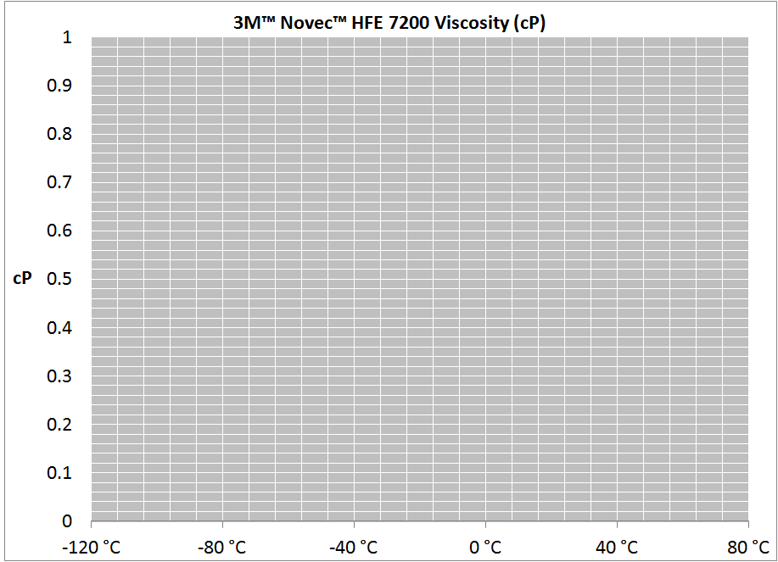
Attributes
Advantages:
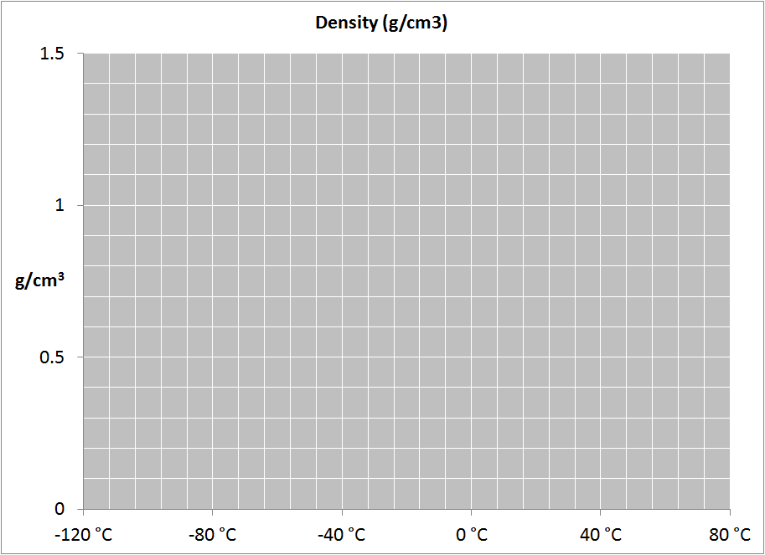
Dielectric (non-conductive)
If there is a leak, it evaporates without residue (no cleaning)
Low viscosity
Can be used at ultra-low temperatures
Disadvantages:
Expensive
TBD
Evaporates readily at room temperature
High density requires more pump HP

i
Compatible Temperature Control Units (English):
Merlin 75 HFE

BACK TO FLUIDS

3MTM NOVECTM HFE 7200

FOG 150
Physical Characteristics
 | Metric | SAE
Temperature Range1: | 20 °C to 150 °C | 68 °F to 302 °F
Freeze Point: | N/A | N/A
Boiling point: | N/A | N/A
Fire point | >200 °C | >392 °F
i
Viscosity1: | 350 cSt @ 20 °C | 350 cSt @ 68 °F | Corrosion Risk:
i
Thermal Conductivity: | data not available | data not available |  | Pitting Corrosion | MODERATE
i
Density: | 1.15 g/cm3 @ 20 °C | 71.8 lbs/ft3 @ 68 °F |  | Galvanic Corrosion | MODERATE
Specific Gravity: | 1.15 | 1.15 |  | General Corrosion | MODERATE
Specific Heat: | data not available | data not available
1Flow rate and cooling capacity are severely reduced at low temperature/high viscosities. Use the correct value for the viscosity at your working temperature.
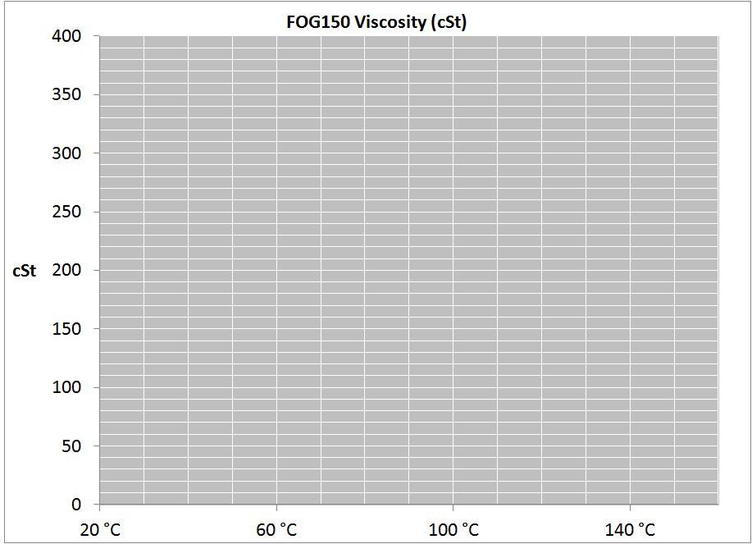
Attributes
Advantages:
Soluble in water
High temperature range
Lower cost than silicone oil
No dicernable fumes
Disadvantages:
Not compatible with some polymers
High viscosity
TBD
i
i
Compatible Temperature Control Units (English):
Horizon FTS
Refrigerated and Heated Bath Circulators

i
i
Compatible Temperature Control Units (Select your language):
Horizon FTS
Refrigerated and Heated Bath Circulators

BACK TO FLUIDS

FOG 150

Alcohol
Physical Characteristics
 | Metric | SAE
Temperature Range1: | -90 °C to 0 °C | -130 °F to 32 °F
Freeze Point: | -114 °C | -173 °F
Boiling point: | 78 °C | 172 °F
flash point : | 16.6 °C | 61.9 °F
i
Viscosity1: | 1.39 cSt @ 20 °C | 1.39 cSt @ 68 °F | Corrosion Risk:
i
Thermal Conductivity: | data not available | data not available |  | Pitting Corrosion | MODERATE
i
Density: | 0.1 w/(m. °K) | 0.06 Btu/(ft. °F) |  | Galvanic Corrosion | MODERATE
Specific Gravity: | 0.79 | 0.79 |  | General Corrosion | MODERATE
Specific Heat: | 0.55 Cal/g °C | 0.55 Btu/lb °F
1Flow rate and cooling capacity are severely reduced at low temperature/high viscosities. Use the correct value for the viscosity at your working temperature.
Alcohol use statement
Laboratory Equipment Division 25 Nimble Hill Road Newington, NH 603-436-9444
www.thermofisher.com/tc 03801 603-436-8411
November 7, 2013
Subject: Alcohol Use in Thermo Scientific Refrigerated Bath Products
Our performance specifications for low temperature bath products conform to DIN 12876.
It specifies the test conditions including the fluid; Ethanol (Denatured Alcohol) at -10C and colder.
While we understand that alcohol is commonly used in laboratories as an effective low temperature
fluid; we cannot recommend alcohol because of its flammable nature.
It does work well as a low temperature fluid, and it is what our specifications are based on per DIN 12876.
Laboratories that choose to use alcohol must understand the hazards associated with its use, and decide
for themselves whether to assume the risk and liability of using this fluid.
But to reiterate, we cannot recommend alcohol because of its flammable nature.
Sincerely,
Mark
Mark J. Estrella
Product Manager – Lab Products
Mark.Estrella@thermofisher.com
603-430-6136
Attributes
Advantages:
Low cost
Low viscosity
works at ultra-low temperatures
Micerable in water (fluid not fouled by condensation)
Disadvantages:
Highly flammable
Not comaptible with many polymers
Freeze point rises as condensation mixes in
TBD
i
i
Temperature Control Units Tested to DIN 12876 (English):
Refrigerated and Heated Bath Circulators
VersaCool

i
i
Temperature Control Units Tested to DIN 12876 (Select your language):
VersaCool
Refrigerated and Heated Bath Circulators

BACK TO FLUIDS

ETHANOL

Pitting Corrosion
•Pitting corrosion in a Temperature Control Unit (TCU) is most often caused by a pH imbalance and aggressive deionized water (3 MegOhm cm).

•The pH imbalance can be caused by:

•Low quality, untested tap or municipal water

•Tap or municipal water that has had dissolved solids concentrated due to evaporation and refilling

•Water that has not been changed at recommended intervals

•Additives that have broken down over time
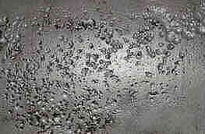

To reduce or prevent pitting corrosion:
Use the correct fluid for the application
Measure the pH on a monthly basis
Drain and refill every three to six months

Image from: http://www.ndt.net/article/v07n07/ginzel_r/ginzel_r.htm

BACK TO FLUIDS

Galvanic Corrosion
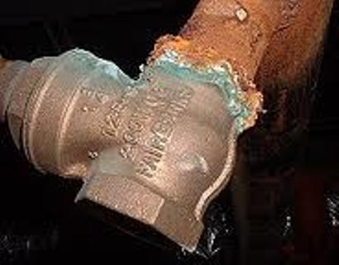
•Galvanic corrosion refers to corrosion that is caused by having at least two different (dissimilar) metals in a corrosive, conductive fluid (electrolyte)

•For example: Copper and aluminum in contact with water (since water conducts electricity it is the electrolyte)

•The further away from each other two metals are in Galvanic Series (Table 1*) the more active the electrical current is (think battery)

•The more active the electrical current is, the more likely it is that the Anode metal is going to corrode and deposit on the Cathode metal (ions are going to leave the aluminum and attach themselves to the copper)

http://www.emec.com.eg/products-services/production-chemicals/corrosion-inhibitors

Preventing galvanic corrosion in recirculating systems:
Avoid dissimilar metals that are far apart (high potential) on the Galvanic series of metals! This slows the process
Maintain the system at the correct pH level. High or low pH is more corrosive and aids the migration of ions
Only use approved inhibitor such as NALCO. Inhibitors coat the metals with sacrificial ions that protect the underlying metal

BACK TO FLUIDS

General Corrosion
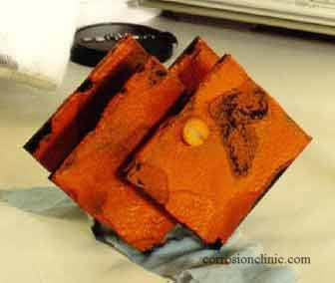
• General or Uniform attack is the most common form of corrosion

• It is normally characterized by a chemical or electrochemical reaction which proceeds uniformly over the entire exposed surface or over a large area

• The metal becomes thinner and eventually fails

• For example: A steel roof will show essentially the same degree of rusting over its entire outside surface

• Merely immersing specimens in the fluid involved is often sufficient to cause General Corrosion.

Uniform attack can be prevented or reduced by:
proper material selection, including coatings
Using the correct inhibitor
cathodic protection (using a sacrificial anode)

http://www.corrosionclinic.com/types_of_corrosion/uniform_O2.jpg

BACK TO FLUIDS

